G6 & CoS7
Worksheet "G6 & CoS7" |  |  | Financial Year to which self-certification relates |  | 2018-2019 | Please complete the explanatory information in cell E36

Declarations required by General condition 6 and Continuity of Service condition 7 of the NHS provider licence

 | The board are required to respond "Confirmed" or "Not confirmed" to the following statements (please select 'not confirmed' if confirming another option). Explanatory information should be provided where required.

1 & 2 | General condition 6 - Systems for compliance with licence conditions (FTs and NHS trusts)

1 | Following a review for the purpose of paragraph 2(b) of licence condition G6, the Directors of the Licensee are satisfied that, in the Financial Year most recently ended, the Licensee took all such precautions as were necessary in order to comply with the conditions of the licence, any requirements imposed on it under the NHS Acts and have had regard to the NHS Constitution. |  |  |  | Confirmed | OK

3 | Continuity of services condition 7 - Availability of Resources (FTs designated CRS only)
 | EITHER:
3a | After making enquiries the Directors of the Licensee have a reasonable expectation that the Licensee will have the Required Resources available to it after taking account distributions which might reasonably be expected to be declared or paid for the period of 12 months referred to in this certificate. |  |  |  | Confirmed
 | OR
3b | After making enquiries the Directors of the Licensee have a reasonable expectation, subject to what is explained below, that the Licensee will have the Required Resources available to it after taking into account in particular (but without limitation) any distribution which might reasonably be expected to be declared or paid for the period of 12 months referred to in this certificate. However, they would like to draw attention to the following factors (as described in the text box below) which may cast doubt on the ability of the Licensee to provide Commissioner Requested Services.
 | OR
3c | In the opinion of the Directors of the Licensee, the Licensee will not have the Required Resources available to it for the period of 12 months referred to in this certificate.
 | Statement of main factors taken into account in making the above declaration
 | In making the above declaration, the main factors which have been taken into account by the Board of Directors are as follows:
 | The most recent self-assessment has identified that no contract variations have been completed to service specifications that would impact on the required resources. No assets have been disposed of that would impact on the ability to provide Commissioner Requested Services.

 | Signed on behalf of the board of directors, and, in the case of Foundation Trusts, having regard to the views of the governors

 | Signature |  | Signature | 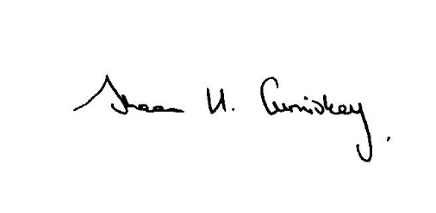

 | Name | Mike Maier | Name | Sheena Cumiskey

 | Capacity | Chairman | Capacity | Chief Executive

 | Date | 22.5.19 | Date | 22.5.19

 | Further explanatory information should be provided below where the Board has been unable to confirm declarations under G6.

